Low load SFOC
 |  | 6S80ME-C8.2 |  |  |  |  | 6S80MC-C8.2 |  | 6S80ME-C8.2
% MCR | Low load tuning (EGB) |  | Normal tuning |  | Low load tuning (EGB) |  | Normal tuning |  | Low load tuning (VT)
25 | 170.0 | 3.8 | 175.0 | 6.64 | 176.0 | 5.0 | 179.0 | 6.5 | 169.9 | 3.79 | 172.4 | 5.38
30 | 168.3 | 2.8 | 173.0 | 5.42 | 174.1 | 3.9 | 177.0 | 5.3 | 168.0 | 2.63 | 170.5 | 4.22
35 | 166.6 | 1.8 | 171.3 | 4.39 | 172.2 | 2.7 | 175.1 | 4.2 | 166.2 | 1.53 | 168.8 | 3.18
40 | 165.0 | 0.8 | 169.8 | 3.47 | 170.5 | 1.7 | 173.4 | 3.2 | 164.8 | 0.67 | 167.1 | 2.14
45 | 163.4 | -0.2 | 168.2 | 2.50 | 169.1 | 0.9 | 172.2 | 2.4 | 163.2 | -0.31 | 165.7 | 1.28
50 | 162.0 | -1.0 | 167.0 | 1.77 | 168.0 | 0.2 | 171.0 | 1.7 | 162.0 | -1.04 | 164.3 | 0.43
55 | 161.0 | -1.6 | 165.8 | 1.04 | 167.0 | -0.4 | 170.1 | 1.2 | 160.8 | -1.77 | 163.2 | -0.24
60 | 160.0 | -2.3 | 164.8 | 0.43 | 166.3 | -0.8 | 169.3 | 0.7 | 159.9 | -2.32 | 162.3 | -0.79
65 | 159.4 | -2.6 | 164.2 | 0.06 | 165.8 | -1.1 | 168.7 | 0.4 | 159.3 | -2.72 | 161.9 | -1.04
70 | 161.5 | -1.3 | 164.0 | -0.06 | 166.6 | -0.6 | 168.3 | 0.1 | 161.3 | -1.47 | 162.4 | -0.73
75 | 163.7 | 0.0 | 164.1 | 0.00 | 167.6 | 0.0 | 168.1 | 0.0 | 163.7 | 0.00 | 163.6 | 0.00
80 | 164.6 | 0.5 | 164.3 | 0.12 | 168.1 | 0.3 | 168.0 | -0.1 | 164.3 | 0.37 | 164.4 | 0.49
85 | 165.9 | 1.3 | 165.0 | 0.55 | 169.2 | 1.0 | 168.3 | 0.1 | 165.3 | 0.98 | 165.8 | 1.34
90 | 167.3 | 2.2 | 165.8 | 1.04 | 171.0 | 2.0 | 168.8 | 0.4 | 166.3 | 1.59 | 167.2 | 2.20
95 | 168.4 | 2.8 | 166.8 | 1.65 | 171.9 | 2.6 | 169.7 | 1.0 | 167.3 | 2.20 | 168.3 | 2.87
100 | 169.5 | 3.5 | 168.0 | 2.38 | 173.0 | 3.2 | 171.0 | 1.7 | 168.4 | 2.87 | 169.3 | 3.48
25 |  | 5.01
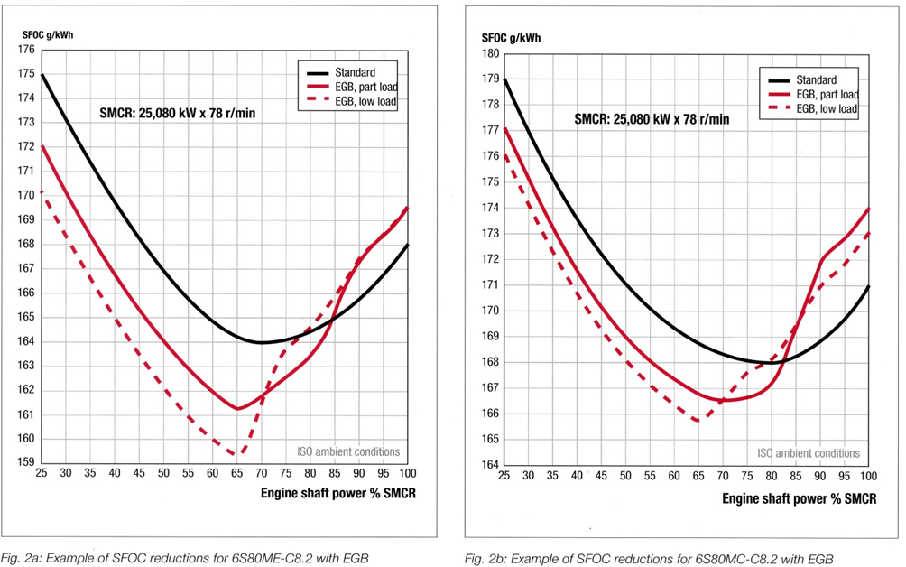
30 |  | 3.88
35 |  | 2.74
40 |  | 1.73
45 |  | 0.89
50 |  | 0.24
55 |  | -0.36
60 |  | -0.78
65 |  | -1.07
70 |  | -0.60
75 |  | 0.00
80 |  | 0.30
85 |  | 0.95
90 |  | 2.03
95 |  | 2.57
100 |  | 3.22
25 |  | 3.79
30 |  | 2.63
35 |  | 1.53
40 |  | 0.67
45 |  | -0.31
50 |  | -1.04
55 |  | -1.77
60 |  | -2.32
65 |  | -2.72
70 |  | -1.47
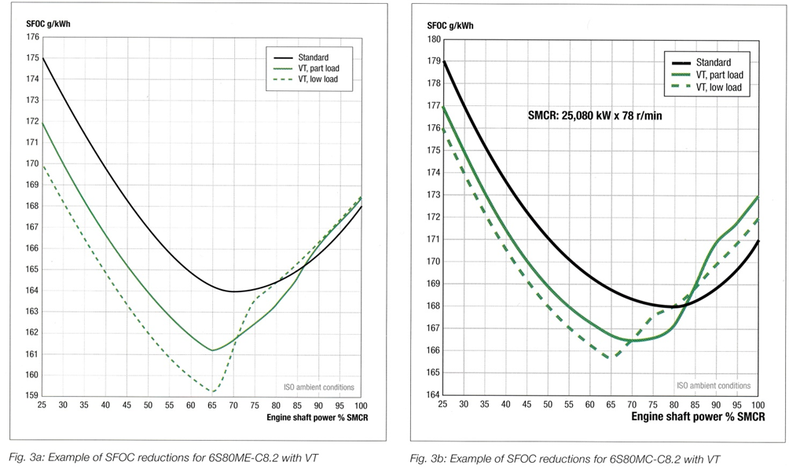
75 |  | 0.00
80 |  | 0.37
85 |  | 0.98
90 |  | 1.59
95 |  | 2.20
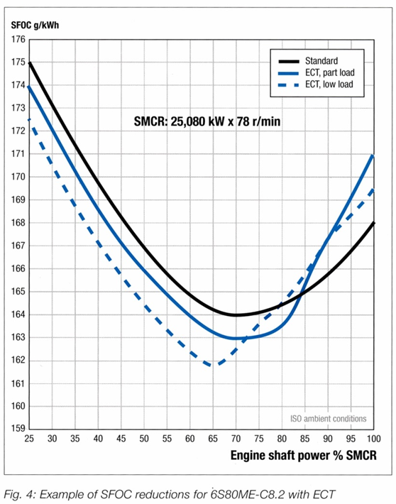
100 |  | 2.87
25 | 4.67 | 5.38
30 | 3.41 | 4.22
35 | 2.46 | 3.18
40 | 1.52 | 2.14
45 | 0.54 | 1.28
50 | -0.38 | 0.43
55 | -1.10 | -0.24
60 | -1.48 | -0.79
65 | -1.47 | -1.04
70 | -1.06 | -0.73
75 | -0.36 | 0.00
80 | 0.47 | 0.49
85 | 1.27 | 1.34
90 | 1.92 | 2.20
95 | 2.47 | 2.87
100 | 3.20 | 3.48

Normal SFOC
% MCR | 6S80ME-C8.2 |  | 6S80MC-C8.2
25 | 175 | 6.7 | 179 | 6.5
30 | 173 | 5.5 | 177 | 5.4
35 | 171.3 | 4.5 | 175.1 | 4.2
40 | 169.8 | 3.5 | 173.4 | 3.2
45 | 168.2 | 2.6 | 172.2 | 2.5
50 | 167 | 1.8 | 171 | 1.8
55 | 165.8 | 1.1 | 170.1 | 1.2
60 | 164.8 | 0.5 | 169.3 | 0.8
65 | 164.2 | 0.1 | 168.7 | 0.4
70 | 164 | 0.0 | 168.3 | 0.2
75 | 164.1 | 0.1 | 168.1 | 0.1
80 | 164.3 | 0.2 | 168 | 0.0
85 | 165 | 0.6 | 168.3 | 0.2
90 | 165.8 | 1.1 | 168.8 | 0.5
95 | 166.8 | 1.7 | 169.7 | 1.0
100 | 168 | 2.4 | 171 | 1.8
25 |  | 6.55
30 |  | 5.36
35 |  | 4.23
40 |  | 3.21
45 |  | 2.50
50 |  | 1.79
55 |  | 1.25
60 |  | 0.77
65 |  | 0.42
70 |  | 0.18
75 |  | 0.06
80 |  | 0.00
85 |  | 0.18
90 |  | 0.48
95 |  | 1.01
100 |  | 1.79

25 |  | 6.50
30 |  | 5.22
35 |  | 4.08
40 |  | 3.08
45 |  | 2.22
50 |  | 1.50
55 |  | 0.92
60 |  | 0.48
65 |  | 0.18
70 |  | 0.02
75 |  | 0.00
80 |  | 0.12
85 |  | 0.38
90 |  | 0.78
95 |  | 1.32
100 |  | 2.00

Ship data
Ship data | Units | Deafult values | Alternative 1 | Alternative 2
Tanker type: Small (< 10000 DWT) - Handysize (10000 - 25000 DWT) - Handymax (25000 - 55000 DWT) - Panamax (55000 - 80000 DWT) - Aframax (70000 - 120000 DWT) - Suezmax (120000 - 200000 DWT) - VLCC ( 200000 - 330000 DWT) | - | Small tanker | Small tanker | Small tanker
Maximum deadweight | tons | 2000 | 2000 | 2000
Elongation in percent |  | 0 | 0 | 0
Length between pp | m | 68.03 | 68.03 | 68.03
Length in waterline incl. bulbous bow | m | 69.39 | 69.39 | 69.39
Breadth mld. | m | 12.10 | 12.10 | 12.10
Depth | m | 5.51 | 5.51 | 5.51
Rule freeboard (without corrections) | m | 0.68 | 0.68 | 0.68
Actual freeboard | m | 1.02 | 1.02 | 1.02
Design draught | m | 4.22 | 4.22 | 4.22
Maximum draught | m | 4.49 | 4.49 | 4.49
Design deadweight/Maximum deadweight | % | 90 | 90 | 90
Maximum draugth - design draught | m | 0.27 | 0.27 | 0.27
Design deadweight | tons | 1800 | 1800 | 1800
Lightweight coefficient | t/m3 | 0.225 | 0.225 | 0.225
Lightweight | tons | 1021 | 1021 | 1021
Structural enhancement (change of lightweight) | pct. | 0 | 0 | 0
New lightweight | tons | 1021 | 1021 | 1021
Displacement at design draught | tons | 2821 | 2821 | 2821
Displacement at maximum draught | tons | 3021 | 3021 | 3021
Design Dw/Maximum displacement | % | 63.8 | 63.8 | 63.8
Scantling Dw/Maximum displacement | % | 66.2 | 66.2 | 66.2
Block coefficient at design draught | - | 0.792 | 0.792 | 0.792
Block coefficient at maximum draught | - | 0.798 | 0.798 | 0.798
Lpp/Displ.1/3 at design draught | - | 4.85 | 4.85 | 4.85
Lpp/Displ.1/3 at maximum draught | - | 4.75 | 4.75 | 4.75
Midship section coefficient at design draught | - | 0.995 | 0.995 | 0.995
Midship section coefficient at maximum draught | - | 0.995 | 0.995 | 0.995
Prismatic coefficient at design draught | - | 0.796 | 0.796 | 0.796
Prismatic coefficient at maximum draught | - | 0.802 | 0.802 | 0.802
Waterplane area coefficient at maximum draught | - | 0.886 | 0.886 | 0.886
Wetted surface at design draught | m2 | 1192 | 1192 | 1192
Wetted surface at maximum draught | m2 | 1236 | 1236 | 1236
Service speed at design draught | knots | 13.17 | 13.2 | 13.2
Froude Number (Lwl) at service speed | - | 0.260 | 0.260 | 0.260
Max. draught trial speed at 75 % MCR (EEDI ref. speed) | knots | 12.97 | 12.97 | 12.97
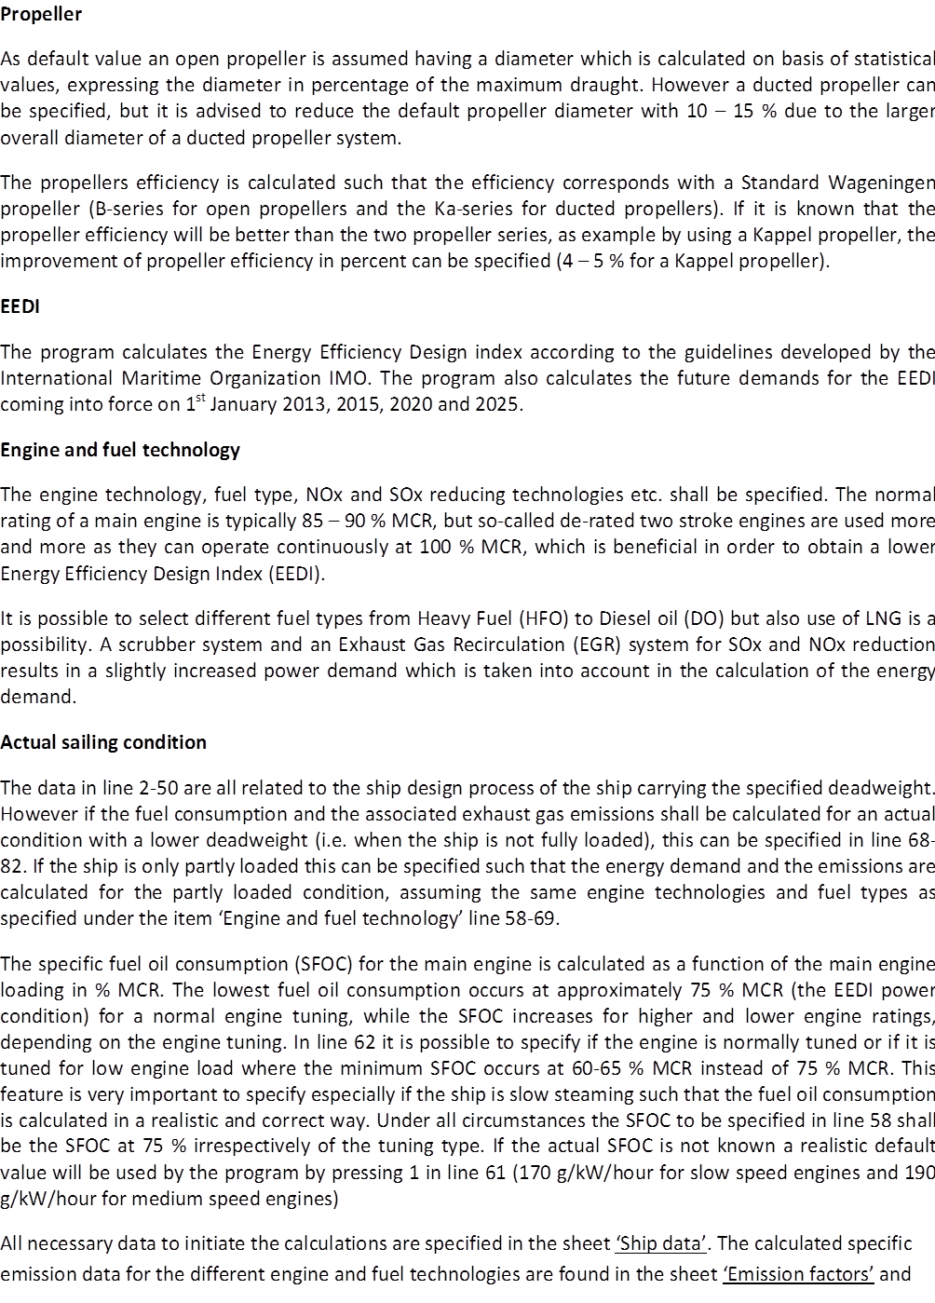
Froude Number (Lwl) at EEDI reference speed | - | 0.256 | 0.256 | 0.256
Service allowance on resistance | pct. | 15.0 | 15.0 | 15.0
Longitudinal wind resistance coefficient, Cx | - | 0.85 | 0.85 | 0.85
Front area at max. draught | m2 | 158 | 158 | 158
Front area at design drauht | m2 | 161 | 161 | 161
Weather condition | Beaufort No. | 0.0 | 0.0 | 0.0
Significant wave height | m | 0.0 | 0.00 | 0.0
Calculated wind speed acc. to Beaufort No. | m/s | 0.0 | 0.0 | 0.0
Wind resistance | kN | 0 | 0 | 0
Short crested wave resistance (MEPC 71/INF.29, p. 20) | kN | 0 | 0 | 0
Wind and wave resistance fraction of total resistance | pct. | 0.0 | 0.0 | 0.0
Transmission efficiency | pct. | 98 | 98 | 98
General improved propeller efficiency | pct. | 0 | 0 | 0
Necessary propulsion power | kW | 2513 | 2513 | 2513
Minimum main engine power (MCR) according to MEPC.262(68) | kW | 6091 | 6091 | 6091
Main engine power (MCR) | kW | 2792 | 2792 | 2792
Power take off (PPTO) | kW | 0 | 0 | 0
MIN(PPTO, PAE/0.75) | kW | 0 | 0 | 0
MCR - MIN(PPTO, PAE/0.75) | kW | 2792 | 2792 | 2792
Shaft motor power | kW | 0 | 0 | 0
Auxiliary power reduction (PAEeff(i)) at 75 % MCR due to WHR | kW | 0 | 0 | 0
Shaft generator efficiency for PPTI calculation | - | 0.90 | 0.90 | 0.90
Shaft motor efficiency for PPTI calculation | - | 0.95 | 0.95 | 0.95
PPTI = 0.75 x rated shaft motor power/gen. eff. x shaft mot. eff. | kW | 0 | 0 | 0
Main engine power - MIN(PPTO,PAE/0.75) + PPTI | kW | 2792 | 2792 | 2792
Main engine power + PPTI/0.75 | kW | 2792 | 2792 | 2792
Auxiliary power at sea at design draught | kW | 140 | 140 | 140
Auxiliary power supplied by PTO | kW | 0 | 0 | 0
Auxiliary power supplied by normal aux. engines | kW | 140 | 140 | 140
Auxiliary power in habor | kW | 322 | 322 | 322
Propeller type (1 = conventional - 2 = ducted) | (-) | 1 | 1 | 1
Prop.diameter (if different from default value - otherwise press -1) | m | -1.00 | -1.00 | -1.00
Propeller diameter | m | 3.07 | 3.07 | 3.07
Propeller loading (MCR) | kW/m2 | 339 | 339 | 339
Speed dependency exponent n (Power = constant Vn) | - | 9.0 | 9.0 | 9.0
IMO Energy Efficiency Design Index (CO2 emissions) | g/dwt/nm | 51.56 | 51.56 | 51.56
IMO Energy Efficiency Design Index (MEPC 62) | g/dwt/nm | 29.86 | 29.86 | 29.86
EEDI - January 2015 (>4000 DWT) | g/dwt/nm | 30.23 | 30.23 | 30.23
EEDI - January 2020 (>4000 DWT) | g/dwt/nm | 30.60 | 30.60 | 30.60
EEDI - January 2025 (>4000 DWT) | g/dwt/nm | 30.98 | 30.98 | 30.98
Emissions per ton deadweight per nautical mile for tankers
 | Default values | Alternative 1 | Alternative 2
 | 0 | 0 | 0
ENGINE TYPE & TECHNOLOGY
Main engine type (slow speed = 1, medium speed = 2) | (-) | 2 | 2 | 2
Main engine service rating (for non derated engine only) | pct. MCR | 90 | 90 | 90
Fuel type (HFO = 1, MD/GO = 2, LNG = 3 (only 4 stroke), Dual fuel = 4) | - | 2 | 2 | 2
SFOC at 75 % MCR for main engine mode (If default press 1) | g/kW/hour | 1 | 1 | 1
If normal tuning press 1 - if low load tuning press 2 | - | 1 | 1 | 1
Sulphur content in heavy fuel (HFO) | pct. | 0.1 | 0.1 | 0.1
Sulphur content in diesel oil or gas oil (DO/GO) | pct. | 0.1 | 0.1 | 0.1
Derated 2 stroke main engine? (NO = 0, YES = 1) | - | 0 | 0 | 0
Fuel optimised main engine? (NO = 0, YES = 1) | - | 0 | 0 | 0
TIER 1, 2 or 3 engine? (1 - 3) | - | 3 | 3 | 3
Specify NOx reduction technology: EGR (Exhaust Gas Recirculation) =1, SCR (Selective Catalytic Reduction) = 2 or other technology = 3 | - | 3 | 3 | 3
Use of scrubbers if oil is used (NO = 0, YES=1) | - | 0 | 0 | 0
ACTUAL CONDITION
Capacity utilization (100 % ~ design condition) | % | 77.5 | 77.5 | 77.5
Actual deadweight | tons | 1436 | 1436 | 1436
Actual displacement | tons | 2456 | 2456 | 2456
Actual draught | m | 3.73 | 3.73 | 3.73
Minimum allowable draught according to SOLAS | m | 3.31 | 3.31 | 3.31
Block coefficient at actual draught | - | 0.781 | 0.781 | 0.781
Midship section coefficient at actual draught | - | 0.994 | 0.994 | 0.994
Service speed at actual draught | knots | 8.7 | 8.7 | 8.7
Service allowance on resistance | pct. | 20.0 | 0.0 | 15.0
Beaufort No. | - | 0.0 | 4.0 | 0.0
Wind speed to be used for wind resistance calculation | m/s | 0.0 | 6.9 | 0.0
Significant wave height | m | 0.0 | 1.0 | 0.0
Front area at actual drauht | m2 | 167 | 167 | 167
Short crested wave resistance (MEPC 71/INF.29, p. 20) | kN | 0 | 10 | 0
Wind and wave resistance fraction of calm water resistance | pct. | 0.0 | 57.5 | 0.0
Speed dependency exponent n (Power = constant Vn) | - | 3.5 | 2.7 | 3.5
Necessary mian engine power at actual deadweight | kW | 288 | 400 | 274
Engine rating in actual condition | % MCR | 10 | 14 | 10
SFOC at CSR | g/kW/hour | 211.0 | 208.4 | 211.4
Fuel consumption per hour (auxiliary engines) | t/hour | 0.027 | 0.027 | 0.027
Fuel consumption per hour (auxiliary engines in harbor) | t/hour | 0.061 | 0.061 | 0.061
Fuel consumption per hour (main engine) | t/hour | 0.061 | 0.083 | 0.058
Fuel consumption per hour (main and auxiliary engines at sea) | t/hour | 0.087 | 0.110 | 0.084

27. Feb. 2013: Very small adjustment af formula in line 68 (appr. 0.3 % change in actual power in line 73)
08. May 2013: A minimum value of 1000 x CA of -0.1 has been introduced
which results in large power for ships above 160000 DWT
06. August 2013: Change of formula in line 67
18. January 2015: Correction of formula for calculation of aux. power (cell D43 and E43)
15. February 2015: Possibility of specification of normal loading or low loading SFOC
15. February 2015: Possibility of specification of improved propeller efficiency
28. April 2015: Correction of error in line 39 in PAS1, PAS2 and PAS3 (propeller efficiency)
28. Feb. 2016: Check of freeboard in line 9 and 10
30. April 2016: Calculation of auxiliary power in harbor for calculation of enregy demand and emissions in harbor
24. May 2017: Recalculation of midship section coefficients
7. June 2017: Correction of error of power for calculation of EEDI ref. speed (cell Q22 in Sheet PT1, PT2 and PT3)
12. June 2017: Addition of HC calculations in sheet: Emissions at sea
17. June 2017: Increase of front area Ax for wind calculation by 10 %
18. June 2017: Update of wave module and propeller efficiency calculation for high Cth values. Also slight modifications in actual condition such that SFOC is calculated correctly.
19. June 2017: Upper and lower bound for Tz are calculated on basis of MEPC 71/INF.29, Table 4
20. June 2017: Some errrors in the wave module have been corrected
22. June 2017: When bad weather performance is checked auxiliary power and EEDI cannot be calculated and the in the cells affected by that no values will be calculated only "-" will be shown
22. June 2017: Correction of speed reference in folders PAS1, PAS2 and PAS3
22. June 2017: MCR is only calculated for service conditions with NO wave and wind specification
28. June 2017: Corection of formula for resistance due to short crested waves
1. July 2017: For actual condition an individual Beaufort number can be specified, independant of IMO requirements
1. July 2017: Update of wind resistance calculation
7. October 2017: Correct calculation of speed exponent in line 121
12. Nov. 2017: Correction of EEDI requirements for ships in the range 4000 - 20000 DWT
19. Jan. 2018: Introduction of shaft motor efficiency in line 69 and correction of PTI formula in line 70
27. Jan. 2018: Slight correction of minimum power in line 61
27. Jan. 2018: Correction of formula for calculation of significant wave height in line 48
8 July 2019: Calculation of service allowance based on service speed in pct. of max. service speed in line 39 and 109
28. November 2019: Service allowance in PS2 and PAS2 calcilated on basis of actual speed
4. January 2020: Correction of SFOC formula in line 125 and correction of Cr calculation in sheets PAS1, PAS2 and PAS3 such that for Fn<0.12 Cr is calculated as Cr(Fn=0.12)
8. April 2020: Calcualtion of wave added resistance in all sheets carried out with simple formula proposed by MEPC 71

Emission factors
Engine and emission reduction technologies | Main engine | Auxiliary engines | Main engine | Auxiliary engines | Main engine | Auxiliary engines
Main engine type (2-stroke = 1, 4-stroke = 2) | 2 | 2 | 2 | 2 | 2 | 2
Derated main engine - only for 2 stroke engines (NO = 0, YES = 1) | 0 | - | 0 | - | 0 | -
...
Calorific value (MJ/kg fuel) | 42.7 | 42.7 | 42.7 | 42.7 | 42.7 | 42.7
Calorific value (MJ/kg oil) | 42.7 | 42.7 | 42.7 | 42.7 | 42.7 | 42.7
Calorific value (MJ/kg LNG) | 50.0 | 50.0 | 50.0 | 50.0 | 50.0 | 50.0
SFOC change due to engine type (pct.) derated versus normal engine | 0.0 | 0 | 0.0 | 0 | 0.0 | 0
Extra energy demand due to scrubber (pct.) | 0.0 | 0 | 0.0 | 0 | 0.0 | 0
Extra energy demand due to NOx reducing EGR technology (pct.) | 0.0 | 0 | 0.0 | 0 | 0.0 | 0
Total change of SFOC (pct.) | 0.0 | 0 | 0.0 | 0 | 0.0 | 0
NOx reduction compared to Tier 1 (pct.) | 80 | 80 | 80 | 80 | 80 | 80
Particulate reduction (pct.) | 0 | 0 | 0 | 0 | 0 | 0
SO2 reduction (pct.) | 0 | 0 | 0 | 0 | 0 | 0
 | LR - 1995 | CIMAC paper 87 - 2010 | CIMAC paper 73 - 2010 | Approximation
 | 0 | 0 | 0 | 0
 | All test results
 | 0
Dual fuel
Diesel oil (pilot fuel) in pct. | 6
Gas in pct. | 94

